Sheet1
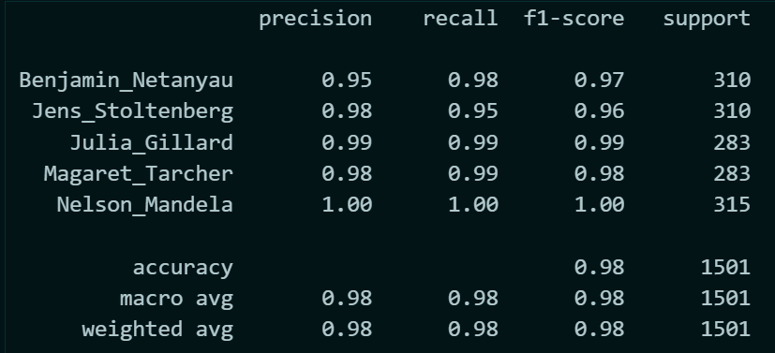
Test train Split | Result |  | Percentage test | Size of X | No. of class | Avg sample per class | Time per frame (s) | No. of Frame | Length of each utterance | Total time per person | Total Time in Min | Accuracy
 | accuracy 0.98
0.2 | Benjamin_Netanyau 0.95 0.98 0.97 | 7501 | 0 | 7501 | 5 | 1500.2 | 0.093 | 32 | 0.335 | 502.567 | 8.3761166667
 | Jens_Stoltenberg 0.98 0.95 0.96 310 | 7501 | 0.2 | 6000.8 | 5 | 1200.16 | 0.093 | 32 | 0.335 | 402.0536 | 6.7008933333 | 0.98
 | Julia_Gillard 0.99 0.99 0.99 283 | 7501 | 0.4 | 4500.6 | 5 | 900.12 | 0.093 | 32 | 0.335 | 301.5402 | 5.02567 | 0.97
 | Magaret_Tarcher 0.98 0.99 0.98 283 | 7501 | 0.6 | 3000.4 | 5 | 600.08 | 0.093 | 32 | 0.335 | 201.0268 | 3.3504466667 | 0.97
 | Nelson_Mandela 1.00 1.00 1.00 315 | 7501 | 0.8 | 1500.2 | 5 | 300.04 | 0.093 | 32 | 0.335 | 100.5134 | 1.6752233333 | 0.96
 |  | 7501 | 0.9 | 750.1 | 5 | 150.02 | 0.093 | 32 | 0.335 | 50.2567 | 0.83761166667 | 0.95
 |  | 7501 | 0.95 | 375.05 | 5 | 75.01 | 0.093 | 32 | 0.335 | 25.12835 | 0.41880583333 | 0.92
 |  | 7501 | 0.98 | 150.02 | 5 | 30.004 | 0.093 | 32 | 0.335 | 10.05134 | 0.16752233333 | 0.84
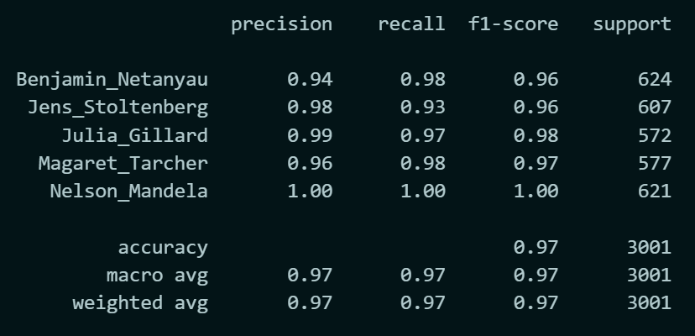
 |  | 7501

0.4

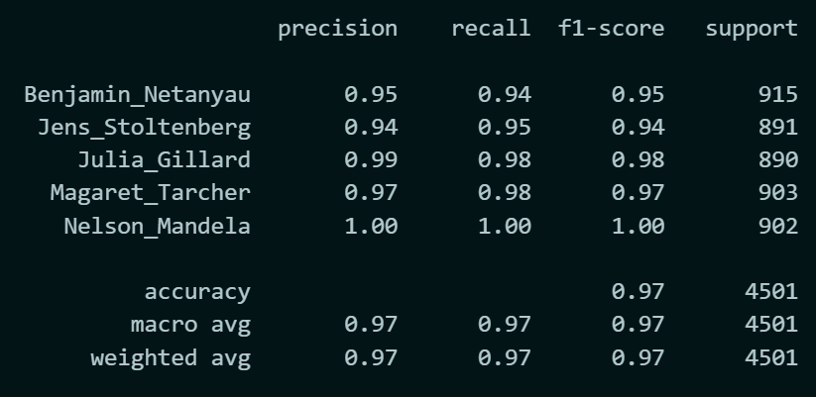
0.6

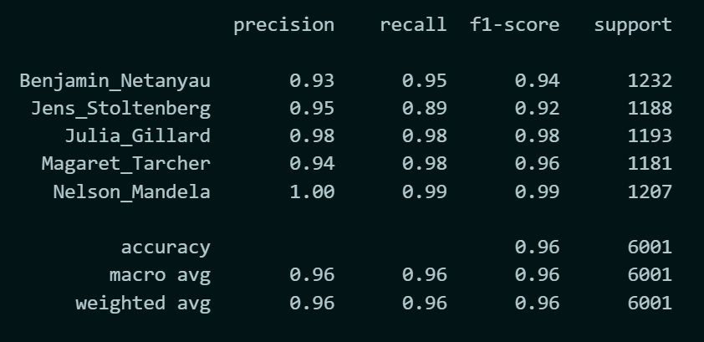

0.8

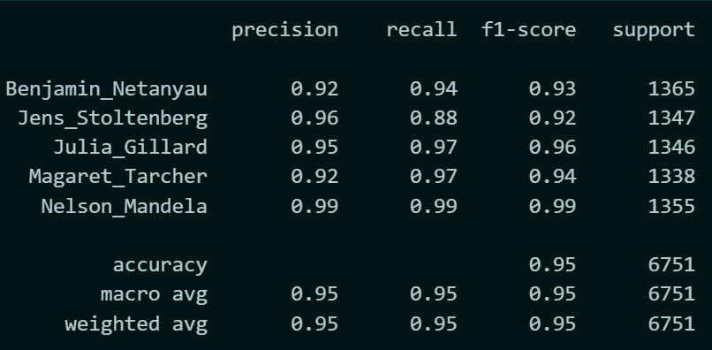

0.9

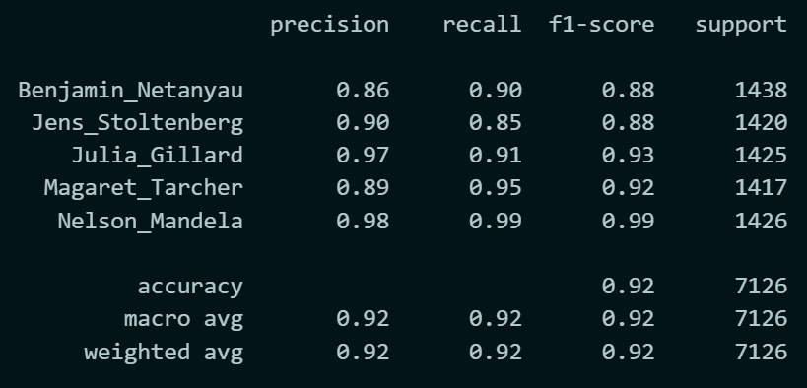
0.95

